Sheet1
No | Status | Module | Issues /Changes | Source | API | Sample | Screen | PIC
1 | Done | Create Company | Need to pass Parent company ID and Company Account Code, please change: 1. Parent Company to a searchable drop down (Use Company list API) 2. Remove the text descriptions "Freight Mark Group of Company" | Front End | http://139.59.221.42:8001/api/company/create | { "company_account_code": "I000086", "company_code": "FXFX", "company_name": "FMX IT 2", "display_name": "FMX IT 2", "parent_company_account_code": "F000086", "parent_company_id" : "11b91530-b4e8-4b47-b3d3-e6d4e31077a9", "is_cod": true, "is_do": true, "is_active" : true, "label_default" : "A4", "address_id": "7a1c214f-b273-4161-8e44-46b28fbe0051", "company_service_list": [ { "service_id": "e2eecbfc-9837-495f-8606-c4a836fed6a2", "service_code": "PREMIUM" } ] } | 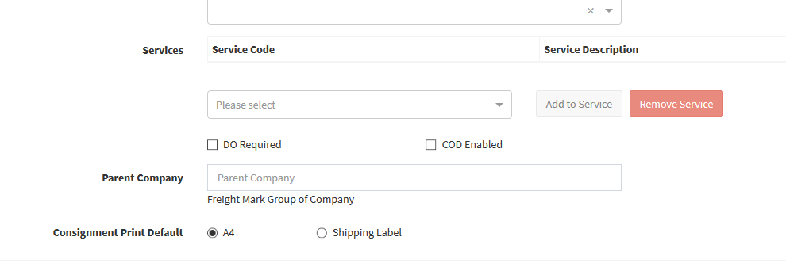 | Wing Fei
2 |  | Address Search | Ignore case for search text | Backend | /api/address/list/ |  | 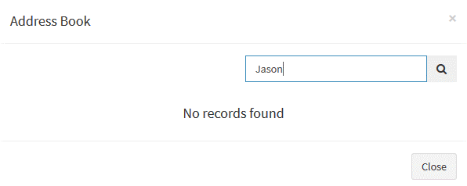 | Africk / Mun Hoe
3 |  | Address Search | Not returning Private Address (This should show when the contact created by same user. | Backend | /api/address/list/ |  | 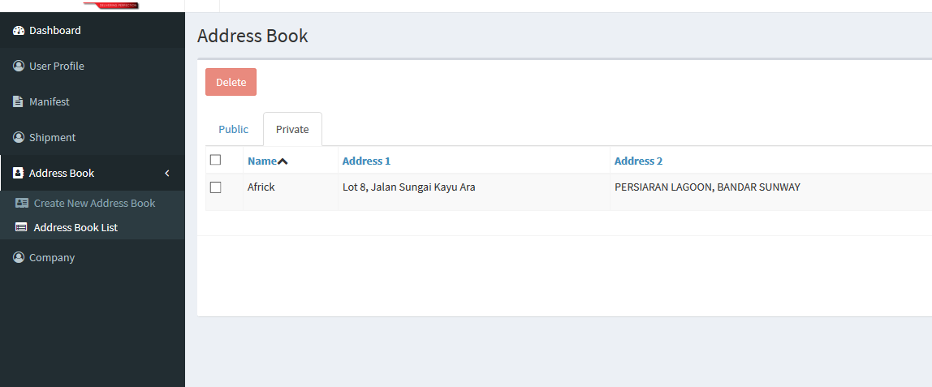 | Africk / Mun Hoe
3 | Done | Address Search | Did Pagination applied? | Front End
4 |  | User Password Reset | Password Reset API not exist, double check on this | Backend |  |  |  | Africk / Mun Hoe
5 |  | My CIT Account | Update user detail not working (Missing API) | Backend + Front end |  |  |  | Africk / Mun Hoe
6 | Done | Shipment List | Shipment list create date to return format YYYY-MM-DD HH:MM:SS Only | Backend | api/shipment/list/ |  |  | Africk / Mun Hoe
7 |  | Shipment List | Ignore case for search text | Backend | api/shipment/list/ |  |  | Africk / Mun Hoe
8 | Done | Shipment Listing | Edit Shipment, fail due to token not provided. | Front End | api/shipment/list |  |  | Wing Fei
9 |  | Shipment Listing | Filter of shipment list incorrect a. User login under different company but seeing same shipments b. Filteration not by CIT c. Add receiver name and receiver city in backend | Backend | api/shipment/list |  |  | Africk / Mun Hoe
10 | Done | Shipment Listing | Pagination is missing (only loads 20) | Front End | api/shipment/list |  |  | Wing Fei
11 |  | Create Shipment | First Load during create shipment does not takes shipper contact and postcode as there's no return from backend | Front End | /api/company/details |  |  | Africk / Mun Hoe
12 | Pending | Create Shipment | Validation of postcode has to be by country basis. E.g Singpaore 6 digit postcode unable to pass validation now. Backend API to get regex available | Front end |  | /api/lookup/country-info |  | Wing Fei
13 | Done | Create Shipment | Pickup date validation error. E.g. Today is 30Oct19, requested pickup date place as 5 Nov 19, show error pickup date was past. Not able to create consignment | Backend | /api/shipment/create |  |  | Africk / Mun Hoe
14 |  | Create Shipment | To confirm if shipment created insert into cx_cargo_master table and generate cargo_id with 001/002… (for sovy flow)x To confirm with Mun Hoe why shipment with more than 1 piece will return duplication in Shipment List? | Backend | /api/shipment/create |  |  | Africk / Mun Hoe
15 | Done | Create Shipment | Add to manifest, to check logic as: 1. As there are no company cut-off setting now, all shipment created on the same day will add to the same manifest (today's) 2. If user select tomorrow's date as the cut-off date, add to tomorrows manifest. 3. If user select pickup date as today / not selecting any pickup date, add to today's manifest. | Backend | /api/shipment/create |  |  | Africk / Mun Hoe
16 |  | User Listing | User listing not filter according to company.. There are no parameter passing. Also not all users are displayed. E.g Admin tie to Maxis but not displaying. | Backend | /api/company/user/list |  |  | Africk / Mun Hoe
17 | Done | Add User | User type, amend SUPERADMIN to SUPERUSER | Front End |  |  |  | Wing Fei
18 | Pending | Add User | Fail to add user, need to change API URL | Front End | /api/company/user/new | { "email": "howdino@hotmail.com", "user_role": "ADMIN", "company_id":"11b91530-b4e8-4b47-b3d3-e6d4e31077a9" } |  | Wing Fei
19 |  | Add User | response form user/new API need to change to true instead of false | Backend | /api/company/user/new | { "status": false, "message": "User is not exist, an email has send to them" }
20 |  | Add User | Email sending for user registration amendment | Backend | /api/company/user/new | Change text to: Hi there, You are invited by your company [Maxis Berhad] for CIT account registration. To register, please use the link below: Register now Welcome to FMX Family The Management Team
21 |  | Add User | Registration URL invalid (Under Email) | Backend |  |  |  | Africk / Mun Hoe
22 | Pending | Upload Shipment | Upload shipment fail, check console return object error when file selected ( + Pickup date to return empty string instead of none) |  |  |  |  | Wing Fei
23 |  | Upload Shipment
24 |  | Label Print | Unable to call label print API Returning error | Backend |  | { "status": false, "Message": "Your report has an error and couldn \\'t be processed!\\ Try to output the command using the attribute `command;` and run it manually in the console!" } |  | Africk / Mun Hoe
25 | Pending | Shipment Listing | To add on Receiver Name and Receiver city, backend updated | Front End |  | "data": [ { "id": 2609, "consignment_no": "MYC0100045041", "customer_reference": "TEST001", "cod": true, "cod_value": 9.3, "packaging_type": "PAR", "dest_receiver_name": "Kong Zai", "dest_receiver_city": "Petaling Jaya", "service_type": "EXP", "account_code": "F000086", "created_date": "2019-09-10 21:35:18", "status": "New Parcel Created" } |  | Wing Fei
26 | Pending | Manifest | Error: Load company detail fail, when go into page | Front End | /api/company/details |  |  | Wing Fei
27 | Pending | Company | Pagination is missing (only loads 20) | Front End | /api/company/list |  |  | Wing Fei

